Examples
Examples of Elig Setups
Description: Examples below include New Hire, State Employee After Retirement, and Retired Employee.
New Hire (Highlighted Fields should be filled out)

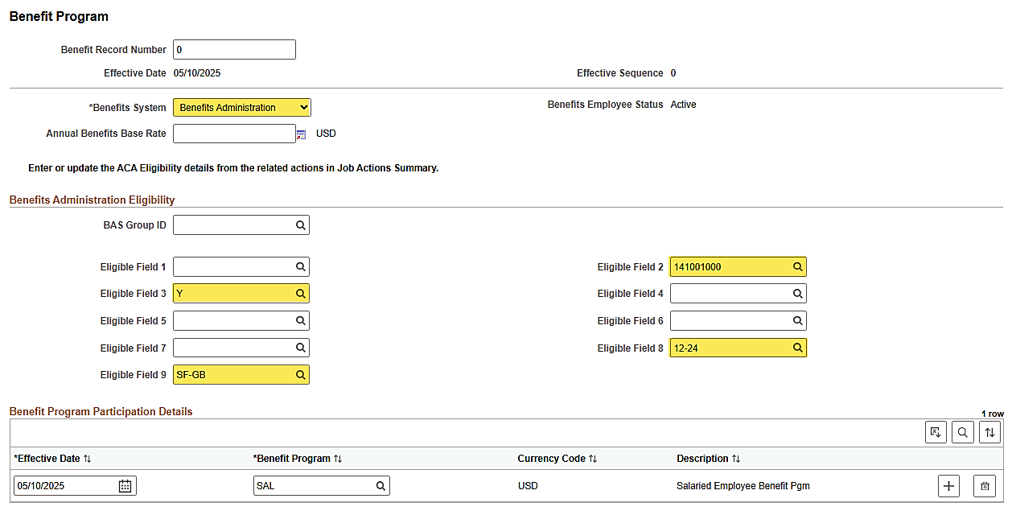

 | Specific values selected will change with the type of employee.

State Employee After VRS VNAV Upload has run

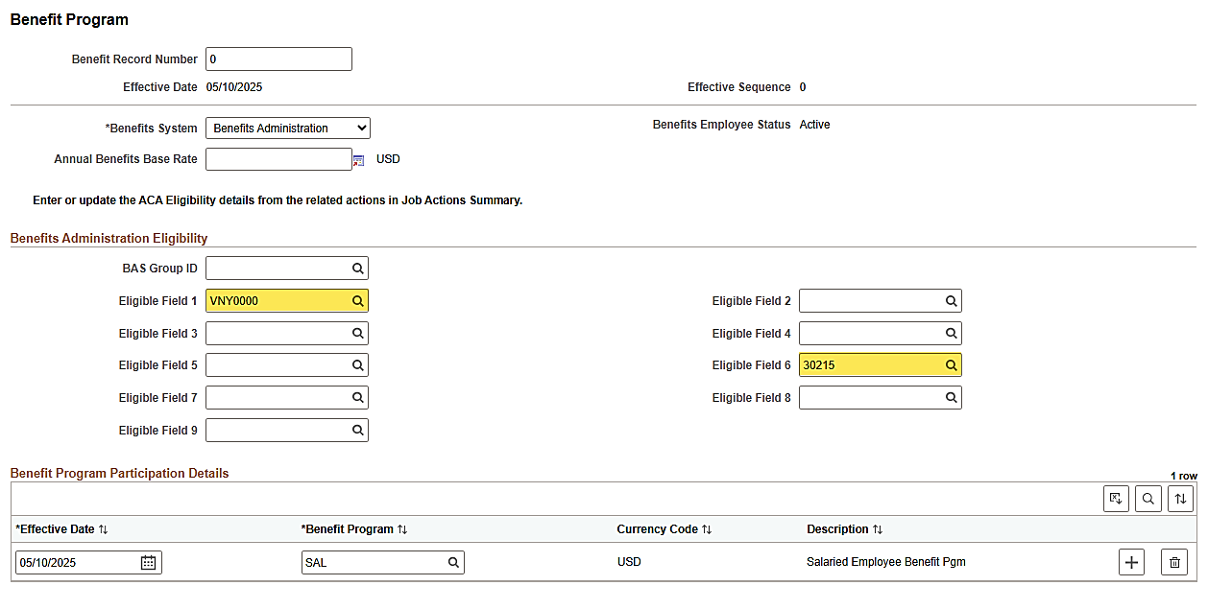

 | Specific values selected will change with the type of employee.

Retired Employee (Highlighted Fields should be filled out)

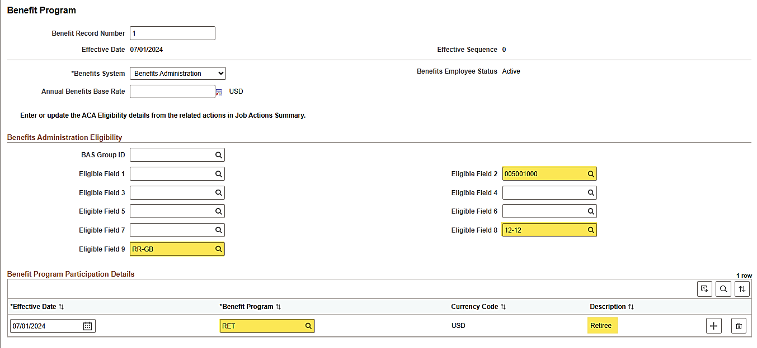

 | Specific Values Selected for Elig 9 and 2 will change with the type of employee. Retired EE's will always have a Elig 8 of 12-12. The individual doing the data entry would not populate the Benefit Program when they are populating the fields. Once Ben Admin finalizes, then they would see that the Benefit Program changes to RET.

TLC New Hire (Highlighted Fields should be filled out)

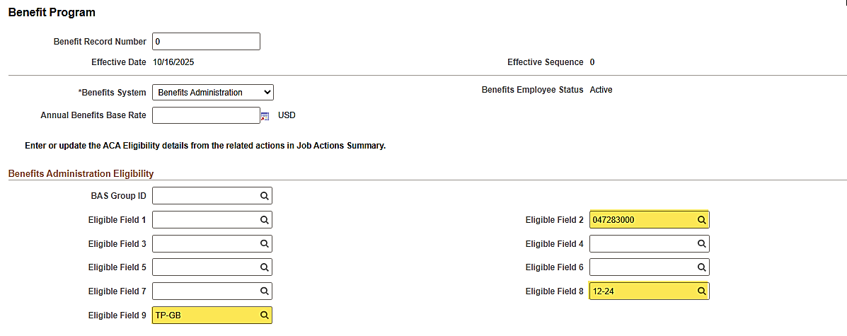

 | Specific values selected will change with the type of employee.

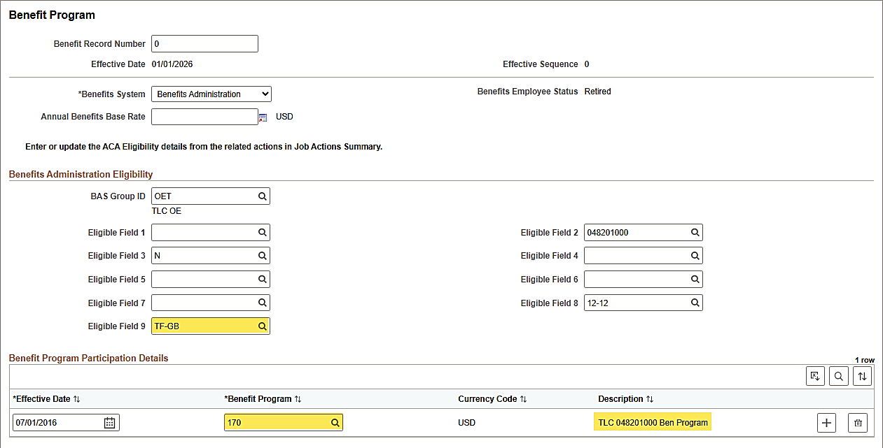

 | Specific Values Selected for Elig 9 and 2 will change with the type of employee. Retired EE's will always have a Elig 8 of 12-12. Once Ben Admin finalizes, the TLC employee's Benefit Program does not change.

